Cover
 |  |  |  |  | Barreleye G2-EVT-Thermal-TR-R01

 | Thermal Test Report

 |  | Function：Thermal

 |  | Project Name：Barreleye G2

 |  | Project Revision：EVT3

 |  | Revision：R01

 |  | Issue Date： 2017/05/15

 | APPROVED |  | CHECKED | PREPARED

BY | Ken Chen |  | Ken Chen | Honda Yan

DATE |  |  |  | 2017-05-15

This document contains proprietary and confidential information jointed-develop by Foxconn. All rights and titles hereto remain with Foxconn. The recipient shall keep this document in strict confidence. The recipient shall not disclose or allow access to this document, in whole or in part, by third parties, nor use it for the benefit of the recipient or third parties. The recipient shall not change this document in form and substance by any means, including without limitation, decompile, reproduce, revise, and amend.

Foxconn CONFIDENTIAL

Measure. Point
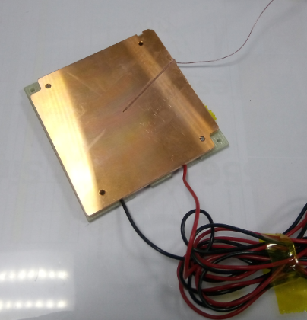
Barreleye G2 System setup and Measurement Points

Fan1
Fan2
Fan3
Fan4
Fan5
Fan6
CPU0
CPU1
GPU0
GPU1
 |  | *. SSDs location

 |  | *.Power Brick location

Power Brick_Left
Power Brick_Right
Power Brick_MB

 | * Vdn & Vddq monitor point | * Vdd & Vddq monitor point
Vddq
Vdn
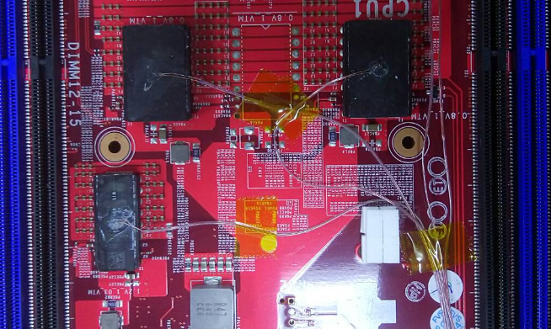
Vdd_1
Vdd_2

Vddq

 | * CPU1 (Dummy CPU) monitor point

Wind tunnel
Barreleye G2 EVT System setup and Measurement Points

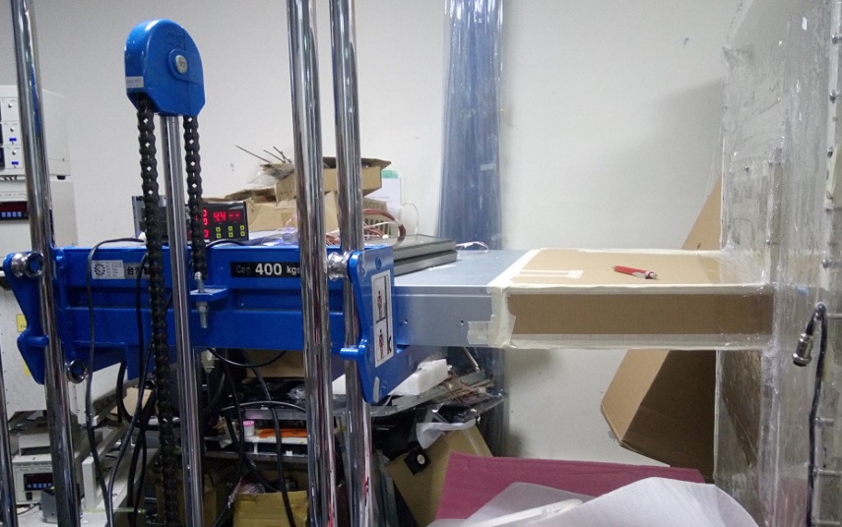

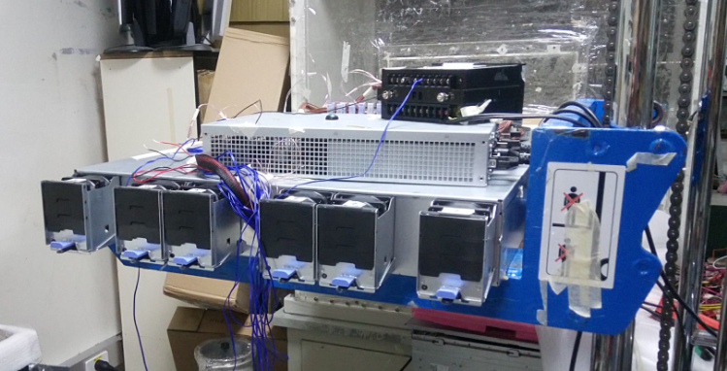

System Airflow rate

Sunnon | Duty cycle | 10% | 20% | 30% | 40% | 50% | 60% | 70% | 80% | 90% | 100%
 | CFM | 21.5 | 43.2 | 65.0 | 87.0 | 109.0 | 131.6 | 154.2 | 177.1 | 199.5 | 205.5
Foxconn |  |  |  |  |  |  |  |  |  |  | 252.8

 | One fan failed
Nidec | Duty cycle | Fan1 fail | Fan2 fail | Fan3 fail | Fan4 fail | Fan5 fail | Fan6 fail
 | CFM | 169.5 | 170.3 | 170.4 | 169.9 | 172.7 | 171.7
Foxconn | CFM | 201.4 | 205.1 | 203.3 | 202.3 | 203.5 | 205.1

System Impedance

 | Q | Ps
 | CFM | mmAq
 | 9.990 | 0.20
 | 20.045 | 0.60
 | 30.001 | 1.10
 | 40.060 | 1.70
 | 50.113 | 2.50
 | 60.118 | 3.40
 | 70.128 | 4.50
 | 79.797 | 5.70
 | 89.861 | 7.00
 | 100.010 | 8.50
 | 110.053 | 10.00
 | 120.150 | 11.70
 | 130.186 | 13.60
 | 140.417 | 15.50
 | 150.420 | 17.60
 | 160.679 | 19.70
 | 171.100 | 21.70
 | 182.062 | 22.80
 | 192.118 | 24.90
 | 202.903 | 26.90
 | 212.807 | 28.90
 | 221.288 | 30.60
 | 231.638 | 33.10
 | 242.050 | 35.60
 | 251.994 | 38.40

